Sheet1
 |  | Document No. | Issue No. | Issue Date |  | Review and Replace Date |  | Authorised By
 |  | GFF025MC | 2 | 31.10.2018 |  | 09.10.2020 |  | Magda Shah
 |  | Document Title | 7 Chicken Goujon with Garlic Mayo Dip 350g
Document amendments reason for change |  | Change of weight and reduced number of chicken pieces |  |  | Page 1 of 1 | Previous Issue Date | 31.10.2018 | Uncontrolled copy unless signed original

CCGOU-2R1TEB | BOOTHS - XMAS |  | 7 CHICKEN GOUJONS WITH GARLIC MAYO 350g
STEP 1 |  |  |  |  | STEP 2
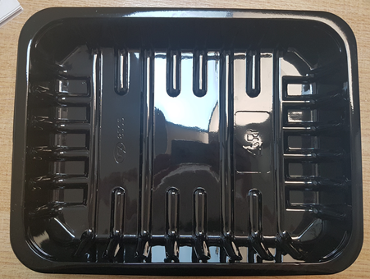 |  |  |  |  | 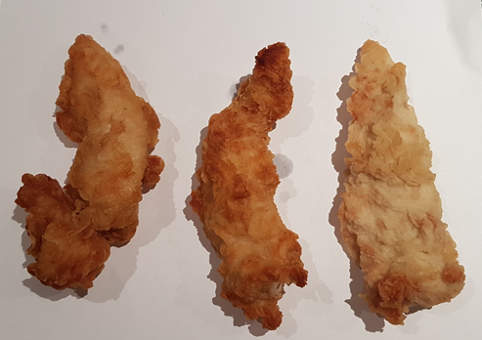

Tray: SK5 PLAIN (PKESS001-02) |  |  |  |  | 7 x Chicken Goujons (GFF152R) 310g
Film: ME410A Antifog WELD seal (PKPRO001-12) (PROMENS)
STEP 3 |  |  |  |  | STEP 4
COOK DAY + 18 DAYS
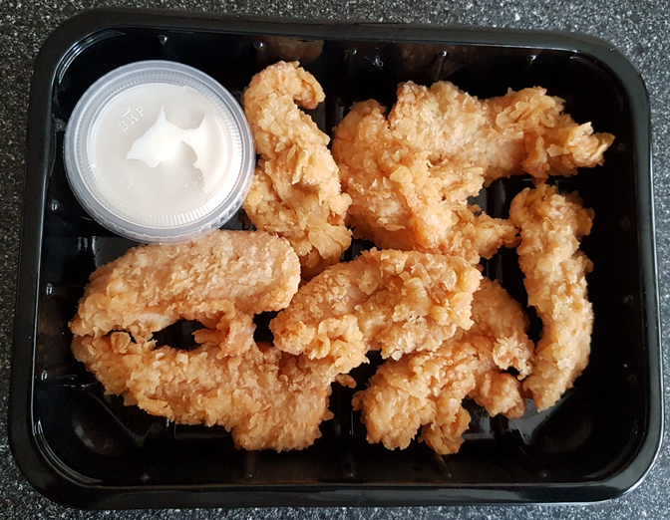 |  |  |  |  | 

DEFROST DAY + 16 DAYS

Garlic Mayo (RMSTA001-02) 40g |  |  |  |  | TOTAL WEIGHT: 350g
2oz PP Clear Pots (PKJEN001-01) and 2oz Clear Lid (PKJEN001-02)
ALLERGY ALERT: EGG, MUSTARD, WHEAT

